2021 Assessment
2023 OPO Interim Annual Public Aggregated Performance Report
Donation and Transplant Rates, 2019

[1] Cutoffs are the median and 75th percentile of OPO performance determined based on measures from prior year.
[2] Additional organs needed for upper limit of the one-sided 95% confidence interval (CI) to meet the median and top 25% cutoffs.
[3] Tier Status is defined in the step #10 of the Methodology sheet.
[4] See Methodology sheet for description of age adjustment (step #5).

Yellow highlighted values indicate the upper limit of the one-sided 95% confidence interval (CI) is below the top 25% but at or above the median cutoff value.
Red highlighted values indicate the upper limit of the one-sided 95% confidence interval (CI) is below the median cutoff value.

Table 1a: Performance cutoff values for donation and transplant rates by year, 2019

Nation | January 1, 2019 - December 31, 2019
 | Donation |  |  |  | Transplant |  |  | Kidney Transplant
Observed Rate | 11.32 |  |  |  | 37.02 |  |  | 18.06
Top 25%1 | 11.78 |  |  |  | 38.69 |  |  | 18.20
Median1 | 10.12 |  |  |  | 32.61 |  |  | 15.33

 |  |  | Figure 1: Distribution of tier status3 for all OPOs in the nation, 2019
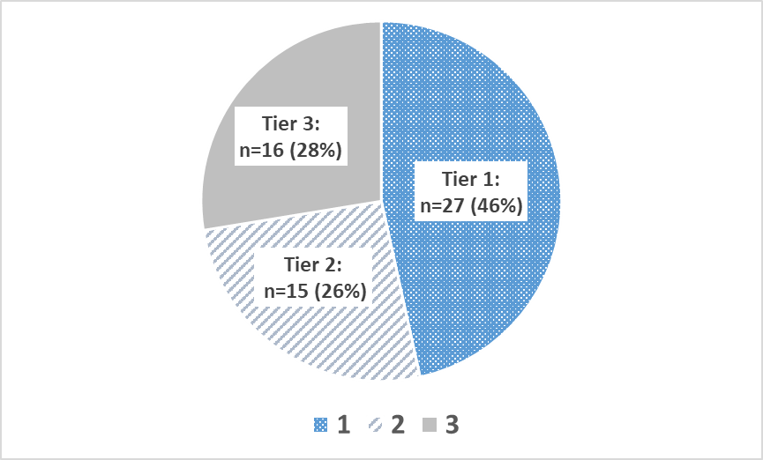

Table 1b: Donation and age-adjusted transplant rates, upper confidence limits, additional organs to meet cutoffs, and resulting performance tier for each OPO, 2019

Organ Procurement Organization (OPO) | OPO Code | January 1, 2019 - December 31, 2019
 |  | Donation |  |  |  | Transplant |  |  |  |  |  | Tier
 |  | Donation Rate | Upper limit of the one-sided 95% CI | Additional Donors Needed to Meet2: |  | Expected Rate | Observed Rate | Age-Adjusted Transplant Rate4 | Upper limit of the one-sided 95% CI | Additional Organs Needed to Meet2:
 |  |  |  | Median: | Top 25%: |  |  |  |  | Median: | Top 25%:
 |  |  |  | 149 | 545 |  |  |  |  | 482 | 2,184

Legacy of Hope | ALOB | 10.16 | 11.41 | 0 | 7 | 36.17 | 32.19 | 32.94 | 35.17 | 0 | 61 | 2
Arkansas Regional Organ Recovery Agency | AROR | 6.42 | 7.87 | 21 | 37 | 32.24 | 21.26 | 24.41 | 27.17 | 45 | 96 | 3
Donor Network of Arizona | AZOB | 13.51 | 14.80 | 0 | 0 | 47.86 | 48.20 | 37.28 | 39.19 | 0 | 0 | 1
Donor Network West | CADN | 12.43 | 13.45 | 0 | 0 | 34.07 | 39.21 | 42.60 | 44.60 | 0 | 0 | 1
Sierra Donor Services | CAGS | 8.65 | 10.44 | 0 | 11 | 36.04 | 28.67 | 29.45 | 32.57 | 1 | 48 | 3
OneLegacy | CAOP | 9.16 | 9.84 | 16 | 103 | 34.04 | 31.18 | 33.90 | 35.25 | 0 | 170 | 3
Lifesharing | CASD | 13.37 | 15.38 | 0 | 0 | 36.59 | 46.96 | 47.50 | 51.26 | 0 | 0 | 1
Donor Alliance | CORS | 13.94 | 15.62 | 0 | 0 | 45.39 | 45.47 | 37.09 | 39.58 | 0 | 0 | 1
New England Donor Services | CTOP | 11.86 | 14.33 | 0 | 0 | 39.68 | 39.69 | 37.03 | 41.03 | 0 | 0 | 1
Washington Regional Transplant Community | DCTC | 11.13 | 12.74 | 0 | 0 | 38.67 | 41.00 | 39.25 | 42.13 | 0 | 0 | 1
OurLegacy | FLFH | 13.41 | 15.02 | 0 | 0 | 41.82 | 45.98 | 40.71 | 43.35 | 0 | 0 | 1
Life Alliance Organ Recovery Agency | FLMP | 7.47 | 8.52 | 31 | 62 | 35.46 | 26.07 | 27.21 | 29.17 | 64 | 177 | 3
LifeQuest Organ Recovery Services | FLUF | 10.42 | 11.75 | 0 | 1 | 41.70 | 32.40 | 28.76 | 30.79 | 34 | 144 | 3
LifeLink of Florida | FLWC | 11.56 | 12.76 | 0 | 0 | 32.84 | 36.44 | 41.07 | 43.47 | 0 | 0 | 1
LifeLink of Georgia | GALL | 11.63 | 12.67 | 0 | 0 | 39.33 | 36.60 | 34.45 | 36.21 | 0 | 74 | 2
Iowa Donor Network | IAOP | 9.84 | 11.67 | 0 | 1 | 35.92 | 32.44 | 33.43 | 36.66 | 0 | 17 | 2
Gift of Hope Organ & Tissue Donor Network | ILIP | 12.79 | 13.79 | 0 | 0 | 34.39 | 40.48 | 43.57 | 45.53 | 0 | 0 | 1
Indiana Donor Network | INOP | 9.01 | 10.12 | 1 | 34 | 42.72 | 32.30 | 27.99 | 29.76 | 67 | 209 | 3
Kentucky Organ Donor Affiliates | KYDA | 6.96 | 8.03 | 37 | 66 | 32.93 | 23.91 | 26.88 | 28.98 | 58 | 155 | 3
Louisiana Organ Procurement Agency | LAOP | 12.96 | 14.37 | 0 | 0 | 44.58 | 43.78 | 36.35 | 38.52 | 0 | 4 | 2
New England Donor Services | MAOB | 11.03 | 12.04 | 0 | 0 | 35.91 | 35.20 | 36.28 | 38.15 | 0 | 15 | 2
The Living Legacy Foundation of Maryland | MDPC | 13.14 | 14.90 | 0 | 0 | 42.29 | 41.40 | 36.24 | 38.96 | 0 | 0 | 1
Gift of Life Michigan | MIOP | 10.70 | 11.69 | 0 | 3 | 33.31 | 35.67 | 39.64 | 41.64 | 0 | 0 | 2
LifeSource Upper Midwest Organ Procurement Organization | MNOP | 11.07 | 12.38 | 0 | 0 | 37.36 | 35.61 | 35.28 | 37.58 | 0 | 20 | 2
Mid-America Transplant | MOMA | 15.86 | 17.45 | 0 | 0 | 38.02 | 48.21 | 46.94 | 49.70 | 0 | 0 | 1
Mississippi Organ Recovery Agency | MSOP | 7.08 | 8.57 | 15 | 31 | 33.02 | 22.71 | 25.46 | 28.22 | 38 | 91 | 3
Midwest Transplant Network | MWOB | 17.83 | 19.54 | 0 | 0 | 40.57 | 61.96 | 56.54 | 59.58 | 0 | 0 | 1
LifeShare Carolinas | NCCM | 13.47 | 15.59 | 0 | 0 | 42.16 | 49.46 | 43.43 | 46.94 | 0 | 0 | 1
HonorBridge | NCNC | 10.66 | 11.77 | 0 | 1 | 35.68 | 34.84 | 36.15 | 38.22 | 0 | 11 | 2
Live On Nebraska | NEOR | 13.00 | 15.78 | 0 | 0 | 34.25 | 44.60 | 48.20 | 53.51 | 0 | 0 | 1
NJ Sharing Network | NJTO | 10.75 | 12.05 | 0 | 0 | 33.30 | 34.05 | 37.85 | 40.38 | 0 | 0 | 1
New Mexico Donor Services | NMOP | 9.51 | 11.78 | 0 | 0 | 41.82 | 27.50 | 24.35 | 27.50 | 33 | 71 | 3
Nevada Donor Network | NVLV | 15.86 | 17.94 | 0 | 0 | 35.82 | 49.85 | 51.51 | 55.35 | 0 | 0 | 1
Center for Donation & Transplant | NYAP | 11.24 | 13.57 | 0 | 0 | 30.22 | 33.87 | 41.49 | 46.19 | 0 | 0 | 1
Finger Lakes Donor Recovery Network | NYFL | 8.79 | 10.84 | 0 | 6 | 35.17 | 28.76 | 30.27 | 33.86 | 0 | 30 | 2
LiveOnNY | NYRT | 9.08 | 9.92 | 7 | 63 | 30.63 | 27.63 | 33.39 | 35.16 | 0 | 100 | 3
ConnectLife | NYWN | 7.11 | 9.54 | 3 | 9 | 31.68 | 18.12 | 21.17 | 25.09 | 26 | 47 | 3
Lifebanc | OHLB | 9.51 | 10.90 | 0 | 12 | 39.73 | 31.60 | 29.44 | 31.71 | 14 | 105 | 3
Life Connection of Ohio | OHLC | 11.95 | 14.07 | 0 | 0 | 41.78 | 40.52 | 35.90 | 39.24 | 0 | 0 | 1
Lifeline of Ohio | OHLP | 10.60 | 12.13 | 0 | 0 | 38.36 | 33.02 | 31.87 | 34.40 | 0 | 56 | 2
LifeCenter Organ Donor Network | OHOV | 10.91 | 13.12 | 0 | 0 | 46.31 | 36.28 | 29.00 | 32.05 | 5 | 54 | 3
LifeShare of Oklahoma | OKOP | 11.13 | 12.56 | 0 | 0 | 35.93 | 33.97 | 35.00 | 37.53 | 0 | 17 | 2
Pacific Northwest Transplant Bank | ORUO | 9.66 | 11.08 | 0 | 10 | 29.96 | 31.64 | 39.10 | 42.16 | 0 | 0 | 2
Gift of Life Donor Program | PADV | 17.14 | 18.24 | 0 | 0 | 39.38 | 54.91 | 51.61 | 53.57 | 0 | 0 | 1
Center for Organ Recovery & Education | PATF | 11.52 | 12.76 | 0 | 0 | 32.02 | 36.42 | 42.11 | 44.65 | 0 | 0 | 1
LifeLink of Puerto Rico | PRLL | 9.52 | 11.27 | 0 | 5 | 26.81 | 22.86 | 31.56 | 35.09 | 0 | 24 | 2
We Are Sharing Hope SC | SCOP | 10.68 | 12.03 | 0 | 0 | 43.09 | 37.18 | 31.94 | 34.05 | 0 | 87 | 2
Tennessee Donor Services | TNDS | 11.39 | 12.42 | 0 | 0 | 37.30 | 37.87 | 37.59 | 39.48 | 0 | 0 | 1
Mid-South Transplant Foundation | TNMS | 6.43 | 7.97 | 18 | 32 | 36.66 | 20.40 | 20.60 | 23.10 | 81 | 133 | 3
LifeGift | TXGC | 11.93 | 12.89 | 0 | 0 | 39.63 | 40.48 | 37.81 | 39.49 | 0 | 0 | 1
Texas Organ Sharing Alliance | TXSA | 9.45 | 10.60 | 0 | 23 | 38.64 | 31.18 | 29.87 | 31.83 | 16 | 140 | 3
Southwest Transplant Alliance | TXSB | 12.83 | 13.86 | 0 | 0 | 40.46 | 42.06 | 38.48 | 40.22 | 0 | 0 | 1
DonorConnect | UTOP | 15.59 | 17.97 | 0 | 0 | 47.62 | 52.28 | 40.64 | 44.03 | 0 | 0 | 1
LifeNet Health | VATB | 9.09 | 10.25 | 0 | 28 | 33.30 | 31.22 | 34.71 | 37.04 | 0 | 28 | 2
LifeCenter Northwest | WALC | 12.33 | 13.51 | 0 | 0 | 35.95 | 40.08 | 41.26 | 43.47 | 0 | 0 | 1
Versiti Blood Center of Wisconsin | WIDN | 14.61 | 16.99 | 0 | 0 | 37.19 | 46.49 | 46.27 | 50.46 | 0 | 0 | 1
UW Organ and Tissue Donation | WIUW | 14.00 | 16.00 | 0 | 0 | 31.27 | 48.44 | 57.35 | 61.72 | 0 | 0 | 1

Table 1c: Donation and kidney transplant rates, upper confidence limits, additional kidneys to meet cutoffs, and resulting performance tier for HIOP, 2019

Organ Procurement Organization (OPO) | OPO Code | January 1, 2019 - December 31, 2019
 |  | Donation |  |  |  | Kidney Transplant |  |  |  | Tier
 |  | Donation Rate | 95% CI | Additional Donors Needed to Meet2: |  | Kidney Transplant Rate | 95% CI | Additional Kidneys Needed to Meet2:
 |  |  |  | Median: | Top 25%: |  |  | Median: | Top 25%:

Legacy of Life Hawai'i | HIOP | 7.41 | 9.72 | 2 | 10 | 13.17 | 16.22 | 0 | 9 | 3

2022 Assessment
2023 OPO Interim Annual Public Aggregated Performance Report
Donation and Transplant Rates, 2020

[1] Cutoffs are the median and 75th percentile of OPO performance determined based on measures from prior year.
[2] Additional organs needed for upper limit of the one-sided 95% confidence interval (CI) to meet the median and top 25% cutoffs.
[3] Tier Status is defined in the step #10 of the Methodology sheet.
[4] See Methodology sheet for description of age adjustment (step #5).

Yellow highlighted values indicate the upper limit of the one-sided 95% confidence interval (CI) is below the top 25% but at or above the median cutoff value.
Red highlighted values indicate the upper limit of the one-sided 95% confidence interval (CI) is below the median cutoff value.

Table 3a: Performance cutoff values for donation and transplant rates by year, 2020

Nation | January 1, 2020 - December 31, 2020
 | Donation |  |  |  | Transplant |  |  | Kidney Transplant
Observed Rate | 11.42 |  |  |  | 36.52 |  |  | 18.40
Top 25%1 | 12.96 |  |  |  | 41.07 |  |  | 20.44
Median1 | 11.10 |  |  |  | 36.26 |  |  | 17.81

 |  |  | Figure 2: Distribution of tier status3 for all OPOs in the nation, 2020
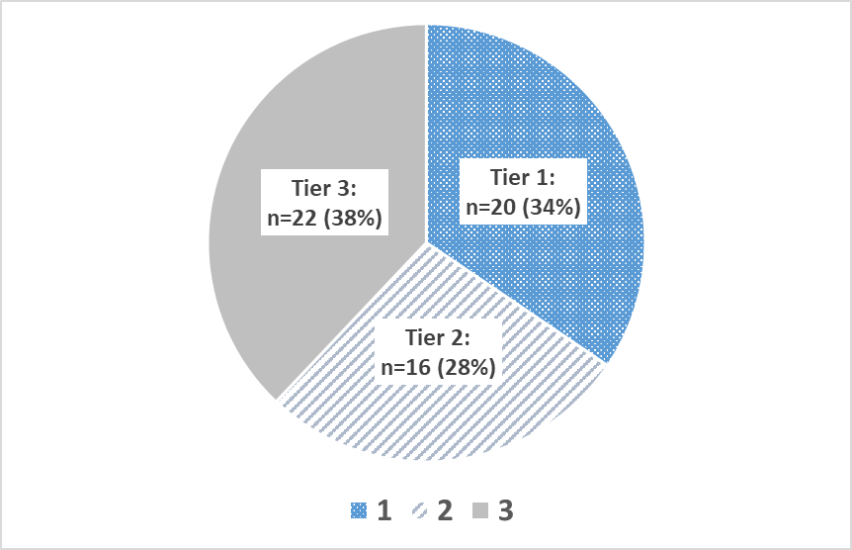

Table 3b: Donation and age-adjusted transplant rates, upper confidence limits, additional organs to meet cutoffs, and resulting performance tier for each OPO, 2020

Organ Procurement Organization (OPO) | OPO Code | January 1, 2020 - December 31, 2020
 |  | Donation |  |  |  | Transplant
 |  | Donation Rate | Upper limit of the one-sided 95% CI | Additional Donors Needed to Meet2: |  | Expected Rate | Observed Rate | Age-Adjusted Transplant Rate4 | Upper limit of the one-sided 95% CI | Additional Organs Needed to Meet2: |  | Tier3
 |  |  |  | Median: | Top 25%: |  |  |  |  | Median: | Top 25%:
 |  |  |  | 425 | 1,166 |  |  |  |  | 1,687 | 4,296

Legacy of Hope | ALOB | 10.23 | 11.50 | 0 | 26 | 33.67 | 32.65 | 35.42 | 37.82 | 0 | 53 | 2
Arkansas Regional Organ Recovery Agency | AROR | 6.11 | 7.51 | 35 | 53 | 32.01 | 21.14 | 24.12 | 26.81 | 82 | 123 | 3
Donor Network of Arizona | AZOB | 12.78 | 14.00 | 0 | 0 | 42.68 | 42.97 | 36.77 | 38.71 | 0 | 62 | 2
Donor Network West | CADN | 12.00 | 13.00 | 0 | 0 | 36.05 | 37.80 | 38.29 | 40.12 | 0 | 29 | 2
Sierra Donor Services | CAGS | 14.93 | 17.06 | 0 | 0 | 38.93 | 44.78 | 42.01 | 45.47 | 0 | 0 | 1
OneLegacy | CAOP | 8.59 | 9.24 | 101 | 201 | 33.78 | 30.74 | 33.24 | 34.56 | 86 | 328 | 3
Lifesharing | CASD | 15.62 | 17.89 | 0 | 0 | 39.22 | 53.01 | 49.37 | 53.28 | 0 | 0 | 1
Donor Alliance | CORS | 14.35 | 15.99 | 0 | 0 | 43.81 | 44.54 | 37.13 | 39.58 | 0 | 25 | 2
New England Donor Services | CTOP | 11.09 | 13.56 | 0 | 0 | 38.47 | 36.14 | 34.30 | 38.27 | 0 | 16 | 2
Washington Regional Transplant Community | DCTC | 9.95 | 11.50 | 0 | 17 | 36.96 | 34.33 | 33.92 | 36.67 | 0 | 52 | 2
OurLegacy | FLFH | 13.87 | 15.45 | 0 | 0 | 39.71 | 47.77 | 43.93 | 46.65 | 0 | 0 | 1
Life Alliance Organ Recovery Agency | FLMP | 8.09 | 9.11 | 44 | 84 | 33.34 | 24.14 | 26.44 | 28.30 | 160 | 257 | 3
LifeQuest Organ Recovery Services | FLUF | 9.57 | 10.75 | 7 | 42 | 42.15 | 30.30 | 26.25 | 28.03 | 180 | 286 | 3
LifeLink of Florida | FLWC | 12.65 | 13.87 | 0 | 0 | 32.18 | 41.19 | 46.75 | 49.27 | 0 | 0 | 1
LifeLink of Georgia | GALL | 10.87 | 11.87 | 0 | 32 | 38.53 | 34.89 | 33.06 | 34.76 | 46 | 193 | 3
Iowa Donor Network | IAOP | 11.19 | 13.17 | 0 | 0 | 33.14 | 35.83 | 39.48 | 43.23 | 0 | 0 | 1
Gift of Hope Organ & Tissue Donor Network | ILIP | 12.51 | 13.48 | 0 | 0 | 35.84 | 38.94 | 39.69 | 41.45 | 0 | 0 | 1
Indiana Donor Network | INOP | 10.77 | 11.93 | 0 | 22 | 40.89 | 39.00 | 34.84 | 36.79 | 0 | 104 | 2
Kentucky Organ Donor Affiliates | KYDA | 8.87 | 10.02 | 20 | 55 | 36.21 | 31.48 | 31.76 | 33.88 | 45 | 134 | 3
Louisiana Organ Procurement Agency | LAOP | 11.26 | 12.58 | 0 | 7 | 43.27 | 39.13 | 33.03 | 35.08 | 25 | 124 | 3
New England Donor Services | MAOB | 9.45 | 10.42 | 18 | 68 | 34.90 | 29.87 | 31.26 | 33.05 | 83 | 207 | 3
The Living Legacy Foundation of Maryland | MDPC | 11.69 | 13.40 | 0 | 0 | 40.79 | 36.22 | 32.43 | 35.08 | 15 | 73 | 3
Gift of Life Michigan | MIOP | 11.09 | 12.07 | 0 | 27 | 31.65 | 34.40 | 39.70 | 41.71 | 0 | 0 | 2
LifeSource Upper Midwest Organ Procurement Organization | MNOP | 9.26 | 10.45 | 12 | 45 | 38.76 | 32.37 | 30.50 | 32.54 | 72 | 164 | 3
Mid-America Transplant | MOMA | 15.74 | 17.29 | 0 | 0 | 36.93 | 53.86 | 53.26 | 56.18 | 0 | 0 | 1
Mississippi Organ Recovery Agency | MSOP | 8.75 | 10.29 | 9 | 28 | 35.48 | 26.69 | 27.47 | 30.10 | 64 | 114 | 3
Midwest Transplant Network | MWOB | 18.97 | 20.66 | 0 | 0 | 37.68 | 56.03 | 54.31 | 57.28 | 0 | 0 | 1
LifeShare Carolinas | NCCM | 15.87 | 18.06 | 0 | 0 | 44.24 | 52.49 | 43.34 | 46.65 | 0 | 0 | 1
HonorBridge | NCNC | 11.21 | 12.31 | 0 | 16 | 37.31 | 35.02 | 34.28 | 36.17 | 3 | 124 | 3
Live On Nebraska | NEOR | 13.06 | 15.74 | 0 | 0 | 31.55 | 42.54 | 49.24 | 54.61 | 0 | 0 | 1
NJ Sharing Network | NJTO | 11.84 | 13.21 | 0 | 0 | 32.40 | 34.43 | 38.81 | 41.42 | 0 | 0 | 1
New Mexico Donor Services | NMOP | 10.61 | 12.95 | 0 | 1 | 43.20 | 31.18 | 26.36 | 29.52 | 46 | 79 | 3
Nevada Donor Network | NVLV | 19.14 | 21.41 | 0 | 0 | 35.34 | 55.24 | 57.09 | 61.25 | 0 | 0 | 1
Center for Donation & Transplant | NYAP | 10.83 | 13.05 | 0 | 0 | 31.30 | 31.28 | 36.49 | 40.66 | 0 | 3 | 2
Finger Lakes Donor Recovery Network | NYFL | 8.29 | 10.33 | 5 | 16 | 33.64 | 24.42 | 26.52 | 29.98 | 36 | 63 | 3
LiveOnNY | NYRT | 7.55 | 8.35 | 89 | 150 | 30.93 | 22.21 | 26.22 | 27.80 | 235 | 369 | 3
ConnectLife | NYWN | 7.37 | 9.79 | 6 | 13 | 37.02 | 24.11 | 23.78 | 27.55 | 37 | 58 | 3
Lifebanc | OHLB | 9.93 | 11.28 | 0 | 25 | 37.49 | 34.49 | 33.60 | 35.99 | 5 | 79 | 3
Life Connection of Ohio | OHLC | 14.73 | 17.07 | 0 | 0 | 39.07 | 47.30 | 44.22 | 48.10 | 0 | 0 | 1
Lifeline of Ohio | OHLP | 11.63 | 13.20 | 0 | 0 | 40.63 | 39.12 | 35.17 | 37.71 | 0 | 48 | 2
LifeCenter Organ Donor Network | OHOV | 11.08 | 13.28 | 0 | 0 | 39.76 | 35.71 | 32.80 | 36.25 | 1 | 35 | 3
LifeShare of Oklahoma | OKOP | 11.92 | 13.36 | 0 | 0 | 33.80 | 34.03 | 36.77 | 39.39 | 0 | 24 | 2
Pacific Northwest Transplant Bank | ORUO | 11.51 | 13.00 | 0 | 0 | 34.24 | 37.38 | 39.87 | 42.70 | 0 | 0 | 1
Gift of Life Donor Program | PADV | 16.35 | 17.44 | 0 | 0 | 37.55 | 47.98 | 46.66 | 48.56 | 0 | 0 | 1
Center for Organ Recovery & Education | PATF | 13.30 | 14.57 | 0 | 0 | 31.32 | 39.12 | 45.62 | 48.19 | 0 | 0 | 1
LifeLink of Puerto Rico | PRLL | 10.85 | 12.68 | 0 | 3 | 23.45 | 24.66 | 38.40 | 42.53 | 0 | 0 | 2
We Are Sharing Hope SC | SCOP | 10.64 | 11.94 | 0 | 18 | 40.69 | 32.26 | 28.95 | 30.95 | 102 | 194 | 3
Tennessee Donor Services | TNDS | 12.05 | 13.08 | 0 | 0 | 36.40 | 37.77 | 37.89 | 39.76 | 0 | 38 | 2
Mid-South Transplant Foundation | TNMS | 5.82 | 7.29 | 32 | 48 | 40.38 | 22.28 | 20.16 | 22.48 | 133 | 179 | 3
LifeGift | TXGC | 11.65 | 12.58 | 0 | 14 | 38.07 | 38.71 | 37.14 | 38.78 | 0 | 84 | 2
Texas Organ Sharing Alliance | TXSA | 8.03 | 9.05 | 44 | 83 | 36.46 | 26.96 | 27.00 | 28.82 | 160 | 264 | 3
Southwest Transplant Alliance | TXSB | 11.44 | 12.39 | 0 | 19 | 37.64 | 39.05 | 37.88 | 39.61 | 0 | 50 | 2
DonorConnect | UTOP | 17.79 | 20.21 | 0 | 0 | 49.83 | 61.63 | 45.16 | 48.54 | 0 | 0 | 1
LifeNet Health | VATB | 9.82 | 10.96 | 3 | 41 | 35.11 | 29.46 | 30.65 | 32.67 | 71 | 166 | 3
LifeCenter Northwest | WALC | 11.39 | 12.50 | 0 | 12 | 36.57 | 35.30 | 35.25 | 37.20 | 0 | 95 | 2
Versiti Blood Center of Wisconsin | WIDN | 13.38 | 15.54 | 0 | 0 | 35.84 | 44.13 | 44.96 | 48.89 | 0 | 0 | 1
UW Organ and Tissue Donation | WIUW | 17.38 | 19.52 | 0 | 0 | 35.60 | 58.49 | 60.00 | 64.13 | 0 | 0 | 1

Table 3c: Donation and kidney transplant rates, upper confidence limits, additional kidneys to meet cutoffs, and resulting performance tier for HIOP, 2020

Organ Procurement Organization (OPO) | OPO Code | January 1, 2020 - December 31, 2020
 |  | Donation |  |  |  | Kidney Transplant |  |  |  | Tier3
 |  | Donation Rate | 95% CI | Additional Donors Needed to Meet2: |  | Kidney Transplant Rate | 95% CI | Additional Kidneys Needed to Meet2:
 |  |  |  | Median: | Top 25%: |  |  | Median: | Top 25%:

Legacy of Life Hawai'i | HIOP | 10.39 | 13.37 | 0 | 0 | 18.70 | 22.75 | 0 | 0 | 1

2023 Assessment
2023 OPO Interim Annual Public Aggregated Performance Report
Donation and Transplant Rates, 2021

[1] Cutoffs are the median and 75th percentile of OPO performance determined based on measures from prior year.
[2] Additional organs needed for upper limit of the one-sided 95% confidence interval (CI) to meet the median and top 25% cutoffs.
[3] See Methodology sheet for description of rate category calculation and interpretation (step #9).
[4] See Methodology sheet for description of age adjustment (step #5).
[5] Tier Status is defined in the step #10 of the Methodology sheet.

Yellow highlighted values indicate the upper limit of the one-sided 95% confidence interval (CI) is below the top 25% but at or above the median cutoff value.
Red highlighted values indicate the upper limit of the one-sided 95% confidence interval (CI) is below the median cutoff value.

Table 5a: Performance cutoff values for donation and transplant rates by year, 2021

Nation | January 1, 2021 - December 31, 2021
 | Donation |  |  |  | Transplant |  |  | Kidney Transplant
Observed Rate | 11.38 |  |  |  | 35.71 |  |  | 18.05
Top 25%1 | 13.06 |  |  |  | 42.01 |  |  | 20.98
Median1 | 11.24 |  |  |  | 35.95 |  |  | 18.33

Figures 3a-3c: Distribution of tier status5 for all OPOs in the nation, 2019-2021
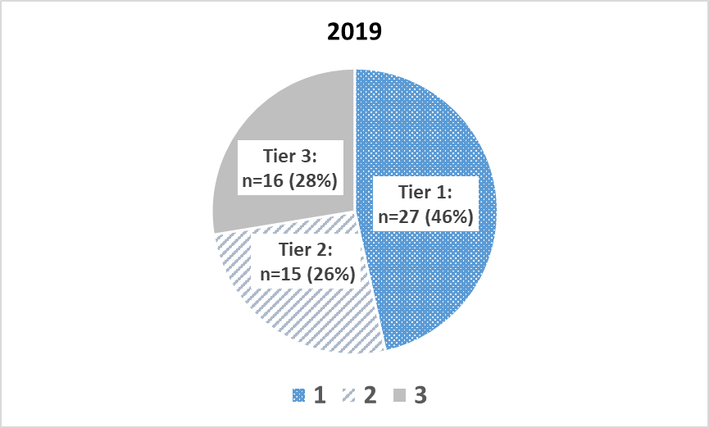
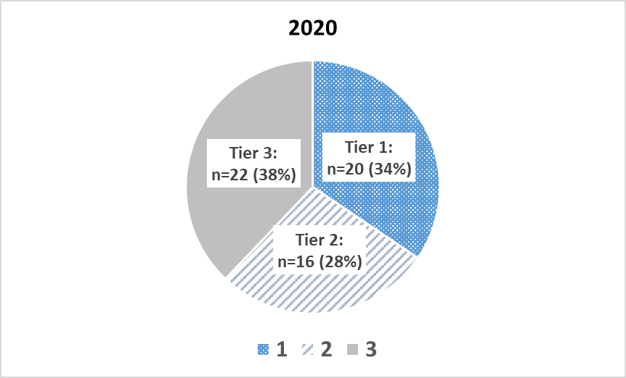
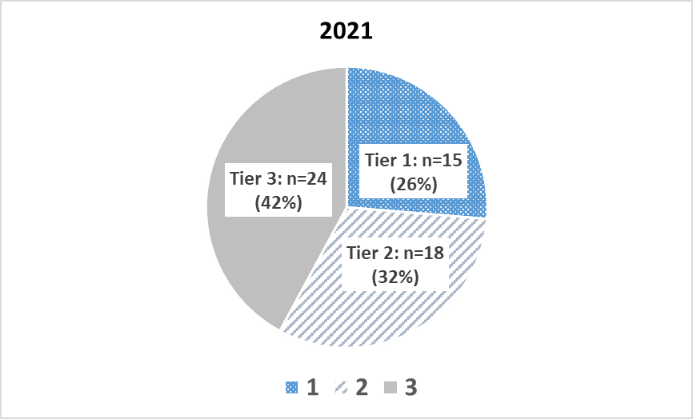

Table 5b: Donation and age-adjusted transplant rates, upper confidence limits, additional organs to meet cutoffs, and resulting performance tier for each OPO, 2021

Organ Procurement Organization (OPO) | OPO Code | January 1, 2021 - December 31, 2021
 |  | Donation |  |  |  |  | Transplant |  |  |  |  |  |  | Tier5
 |  | Donation Rate | Upper limit of the one-sided 95% CI | Additional Donors Needed to Meet2: |  | Rate Category3 | Expected Rate | Observed Rate | Age-Adjusted Transplant Rate4 | Upper limit of the one-sided 95% CI | Additional Organs Needed to Meet2: |  | Rate Category3
 |  |  |  | Median: | Top 25%: |  |  |  |  |  | Median: | Top 25%: |  | 2019 | 2020 | 2021
 |  |  |  | 345 | 1,345 |  |  |  |  |  | 1,949 | 6,041

Legacy of Hope | ALOB | 11.07 | 12.33 | 0 | 14 | 2B | 33.44 | 34.15 | 36.46 | 38.80 | 0 | 57 | 2B | 2 | 2 | 2
Arkansas Regional Organ Recovery Agency | AROR | 9.32 | 10.92 | 4 | 22 | 3B | 36.31 | 29.15 | 28.67 | 31.32 | 49 | 114 | 3E | 3 | 3 | 3
Donor Network of Arizona | AZOB | 11.66 | 12.79 | 0 | 7 | 2A | 42.19 | 38.48 | 32.57 | 34.31 | 47 | 220 | 3B | 1 | 2 | 3
Donor Network West | CADN | 10.89 | 11.82 | 0 | 41 | 2C | 34.63 | 36.70 | 37.85 | 39.63 | 0 | 76 | 2B | 1 | 2 | 2
Sierra Donor Services | CAGS | 15.80 | 17.96 | 0 | 0 | 1A | 35.93 | 45.72 | 45.44 | 49.13 | 0 | 0 | 1C | 3 | 1 | 1
OneLegacy | CAOP | 9.30 | 9.96 | 71 | 171 | 3E | 34.56 | 31.37 | 32.41 | 33.68 | 123 | 449 | 3C | 3 | 3 | 3
Lifesharing | CASD | 14.83 | 16.99 | 0 | 0 | 1B | 39.46 | 48.09 | 43.51 | 47.03 | 0 | 0 | 1C | 1 | 1 | 1
Donor Alliance | CORS | 13.96 | 15.53 | 0 | 0 | 1C | 43.90 | 43.15 | 35.10 | 37.37 | 0 | 83 | 2D | 1 | 2 | 2
Washington Regional Transplant Community | DCTC | 10.31 | 11.75 | 0 | 18 | 2C | 38.36 | 30.63 | 28.51 | 30.77 | 76 | 164 | 3E | 1 | 2 | 3
OurLegacy | FLFH | 13.38 | 14.85 | 0 | 0 | 1D | 36.65 | 45.63 | 44.46 | 47.13 | 0 | 0 | 1C | 1 | 1 | 1
Life Alliance Organ Recovery Agency | FLMP | 6.85 | 7.76 | 82 | 126 | 3E | 33.66 | 19.63 | 20.82 | 22.38 | 306 | 443 | 3E | 3 | 3 | 3
LifeQuest Organ Recovery Services | FLUF | 10.43 | 11.62 | 0 | 29 | 2D | 38.36 | 35.98 | 33.49 | 35.52 | 10 | 139 | 3A | 3 | 3 | 3
LifeLink of Florida | FLWC | 12.64 | 13.81 | 0 | 0 | 1E | 33.76 | 37.09 | 39.24 | 41.39 | 0 | 15 | 2A | 1 | 1 | 2
LifeLink of Georgia | GALL | 10.08 | 10.97 | 9 | 69 | 3B | 38.55 | 31.26 | 28.95 | 30.41 | 199 | 417 | 3E | 2 | 3 | 3
Iowa Donor Network | IAOP | 13.14 | 15.08 | 0 | 0 | 1C | 31.77 | 37.47 | 42.12 | 45.75 | 0 | 0 | 1C | 2 | 1 | 1
Gift of Hope Organ & Tissue Donor Network | ILIP | 11.92 | 12.85 | 0 | 8 | 2A | 34.95 | 38.50 | 39.34 | 41.06 | 0 | 34 | 2A | 1 | 1 | 2
Indiana Donor Network | INOP | 11.33 | 12.46 | 0 | 15 | 2B | 40.83 | 38.97 | 34.09 | 35.91 | 2 | 166 | 3A | 3 | 2 | 3
Kentucky Organ Donor Affiliates | KYDA | 9.26 | 10.40 | 17 | 52 | 3D | 33.69 | 31.42 | 33.30 | 35.47 | 10 | 123 | 3A | 3 | 3 | 3
Louisiana Organ Procurement Agency | LAOP | 11.34 | 12.57 | 0 | 10 | 2A | 42.96 | 37.34 | 31.04 | 32.88 | 74 | 220 | 3D | 2 | 3 | 3
New England Donor Services | MAOB | 10.91 | 11.79 | 0 | 46 | 2C | 33.91 | 33.19 | 34.95 | 36.59 | 0 | 187 | 2E | 2 | 3 | 2
The Living Legacy Foundation of Maryland | MDPC | 11.46 | 13.08 | 0 | 0 | 1E | 36.93 | 35.27 | 34.10 | 36.80 | 0 | 64 | 2D | 1 | 3 | 2
Gift of Life Michigan | MIOP | 11.06 | 12.01 | 0 | 34 | 2B | 32.25 | 33.30 | 36.88 | 38.70 | 0 | 97 | 2B | 2 | 2 | 2
LifeSource Upper Midwest Organ Procurement Organization | MNOP | 9.15 | 10.29 | 19 | 54 | 3E | 35.01 | 28.94 | 29.52 | 31.53 | 84 | 200 | 3E | 2 | 3 | 3
Mid-America Transplant | MOMA | 13.52 | 14.92 | 0 | 0 | 1D | 35.04 | 46.32 | 47.21 | 49.88 | 0 | 0 | 1B | 1 | 1 | 1
Mississippi Organ Recovery Agency | MSOP | 8.68 | 10.19 | 12 | 32 | 3E | 35.11 | 32.07 | 32.62 | 35.40 | 7 | 73 | 3A | 3 | 3 | 3
Midwest Transplant Network | MWOB | 17.41 | 18.95 | 0 | 0 | 1A | 36.15 | 54.21 | 53.55 | 56.36 | 0 | 0 | 1A | 1 | 1 | 1
LifeShare Carolinas | NCCM | 14.45 | 16.36 | 0 | 0 | 1B | 39.40 | 47.97 | 43.47 | 46.65 | 0 | 0 | 1C | 1 | 1 | 1
HonorBridge | NCNC | 9.95 | 10.96 | 8 | 54 | 3B | 37.08 | 30.89 | 29.75 | 31.46 | 122 | 285 | 3E | 2 | 3 | 3
Live On Nebraska | NEOR | 16.38 | 19.17 | 0 | 0 | 1A | 34.36 | 54.01 | 56.14 | 61.38 | 0 | 0 | 1A | 1 | 1 | 1
NJ Sharing Network | NJTO | 11.57 | 12.89 | 0 | 4 | 2A | 30.09 | 35.25 | 41.84 | 44.55 | 0 | 0 | 1D | 1 | 1 | 2
New Mexico Donor Services | NMOP | 13.39 | 15.88 | 0 | 0 | 1B | 39.94 | 35.32 | 31.58 | 35.09 | 6 | 46 | 3B | 3 | 3 | 3
Nevada Donor Network | NVLV | 15.95 | 18.00 | 0 | 0 | 1A | 33.32 | 47.66 | 51.07 | 54.91 | 0 | 0 | 1A | 1 | 1 | 1
Center for Donation & Transplant | NYAP | 9.79 | 11.84 | 0 | 9 | 2C | 28.35 | 30.21 | 38.05 | 42.28 | 0 | 0 | 1E | 1 | 2 | 2
Finger Lakes Donor Recovery Network | NYFL | 8.26 | 10.10 | 9 | 22 | 3E | 34.42 | 24.65 | 25.57 | 28.61 | 52 | 96 | 3E | 2 | 3 | 3
LiveOnNY | NYRT | 9.62 | 10.48 | 26 | 88 | 3D | 31.16 | 29.42 | 33.71 | 35.43 | 16 | 198 | 3A | 3 | 3 | 3
ConnectLife | NYWN | 8.53 | 10.92 | 2 | 10 | 3B | 31.81 | 21.43 | 24.05 | 27.86 | 34 | 60 | 3E | 3 | 3 | 3
Lifebanc | OHLB | 9.71 | 11.00 | 4 | 33 | 3B | 35.88 | 30.04 | 29.89 | 32.09 | 63 | 162 | 3E | 3 | 3 | 3
Life Connection of Ohio | OHLC | 19.20 | 21.70 | 0 | 0 | 1A | 37.71 | 60.70 | 57.48 | 61.84 | 0 | 0 | 1A | 1 | 1 | 1
Lifeline of Ohio | OHLP | 11.02 | 12.47 | 0 | 9 | 2B | 37.57 | 32.38 | 30.78 | 33.10 | 43 | 134 | 3E | 2 | 2 | 3
LifeCenter Organ Donor Network | OHOV | 15.00 | 17.51 | 0 | 0 | 1B | 39.66 | 52.42 | 47.20 | 51.38 | 0 | 0 | 1B | 3 | 3 | 1
LifeShare of Oklahoma | OKOP | 12.15 | 13.57 | 0 | 0 | 1E | 32.75 | 35.66 | 38.89 | 41.53 | 0 | 8 | 2A | 2 | 2 | 2
Pacific Northwest Transplant Bank | ORUO | 10.61 | 11.93 | 0 | 19 | 2B | 33.68 | 35.22 | 37.34 | 39.83 | 0 | 35 | 2A | 2 | 1 | 2
Gift of Life Donor Program | PADV | 16.84 | 17.89 | 0 | 0 | 1A | 35.50 | 46.78 | 47.05 | 48.90 | 0 | 0 | 1C | 1 | 1 | 1
Center for Organ Recovery & Education | PATF | 12.75 | 13.98 | 0 | 0 | 1D | 29.68 | 34.18 | 41.13 | 43.58 | 0 | 0 | 1E | 1 | 1 | 1
LifeLink of Puerto Rico | PRLL | 10.57 | 12.36 | 0 | 7 | 2B | 23.57 | 25.46 | 38.58 | 42.61 | 0 | 0 | 1E | 2 | 2 | 2
We Are Sharing Hope SC | SCOP | 8.79 | 9.87 | 29 | 66 | 3E | 40.50 | 25.85 | 22.79 | 24.38 | 274 | 418 | 3E | 2 | 3 | 3
Tennessee Donor Services | TNDS | 11.78 | 12.75 | 0 | 10 | 2A | 35.86 | 37.64 | 37.49 | 39.25 | 0 | 89 | 2B | 1 | 2 | 2
Mid-South Transplant Foundation | TNMS | 8.18 | 9.83 | 13 | 29 | 3E | 36.52 | 25.19 | 24.63 | 27.26 | 80 | 136 | 3E | 3 | 3 | 3
LifeGift | TXGC | 9.70 | 10.51 | 29 | 100 | 3D | 36.89 | 31.28 | 30.28 | 31.68 | 174 | 422 | 3E | 1 | 2 | 3
Texas Organ Sharing Alliance | TXSA | 10.24 | 11.34 | 0 | 39 | 2E | 36.37 | 37.05 | 36.38 | 38.42 | 0 | 83 | 2B | 3 | 3 | 2
Southwest Transplant Alliance | TXSB | 11.37 | 12.30 | 0 | 26 | 2B | 37.25 | 37.99 | 36.42 | 38.06 | 0 | 142 | 2C | 1 | 2 | 2
DonorConnect | UTOP | 19.25 | 21.59 | 0 | 0 | 1A | 45.55 | 56.04 | 43.93 | 47.19 | 0 | 0 | 1C | 1 | 1 | 1
LifeNet Health | VATB | 9.63 | 10.75 | 11 | 49 | 3D | 34.31 | 28.02 | 29.16 | 31.11 | 98 | 221 | 3E | 2 | 3 | 3
LifeCenter Northwest | WALC | 11.18 | 12.23 | 0 | 23 | 2B | 36.08 | 35.29 | 34.93 | 36.77 | 0 | 142 | 2D | 1 | 2 | 2
Versiti Blood Center of Wisconsin | WIDN | 12.38 | 14.47 | 0 | 0 | 1D | 40.67 | 41.21 | 36.18 | 39.45 | 0 | 23 | 2B | 1 | 1 | 2
UW Organ and Tissue Donation | WIUW | 14.64 | 16.56 | 0 | 0 | 1B | 33.93 | 50.42 | 53.06 | 56.84 | 0 | 0 | 1A | 1 | 1 | 1

Table 5c: Donation and kidney transplant rates, upper confidence limits, additional kidneys to meet cutoffs, and resulting performance tier for HIOP, 2021

Organ Procurement Organization (OPO) | OPO Code | January 1, 2021 - December 31, 2021
 |  | Donation |  |  |  |  | Kidney Transplant |  |  |  |  | Tier5
 |  | Donation Rate | 95% CI | Additional Donors Needed to Meet2: |  | Rate Category3 | Kidney Transplant Rate | 95% CI | Additional Kidneys Needed to Meet2: |  | Rate Category3
 |  |  |  | Median: | Top 25%: |  |  |  | Median: | Top 25%: |  | 2019 | 2020 | 2021

Legacy of Life Hawai'i | HIOP | 8.48 | 10.89 | 2 | 10 | 3B | 14.95 | 18.14 | 1 | 13 | 3B | 3 | 1 | 3

